Test Cases Wishlist
Wishlist Implementation Test Cases

Title | LINK ID | Result | Result Stats | Automated | Related ID | Notes
Wishlist Creation | #0001 | Pass | 1 | Not Available
Add Item | #0002 | Pass | 1 | Not Available
Item Quantities | #0003 | Pass | 1 | Not Available

Exploratory | #0005 | Untested | 0 | Not Available

Stats Completation
Manual Testing |  |  | Automated
Test Cases | 4 |  | Pass | 0
Pass | 3 |  | Faill | 0
Fail | 0 |  | Unavailable | 3
Untested | 1

Manual Testing
Automated Test

Exploratory Testing
Title
Exploratory

Description
Test Wishlist functionality in an exploratory way | Example
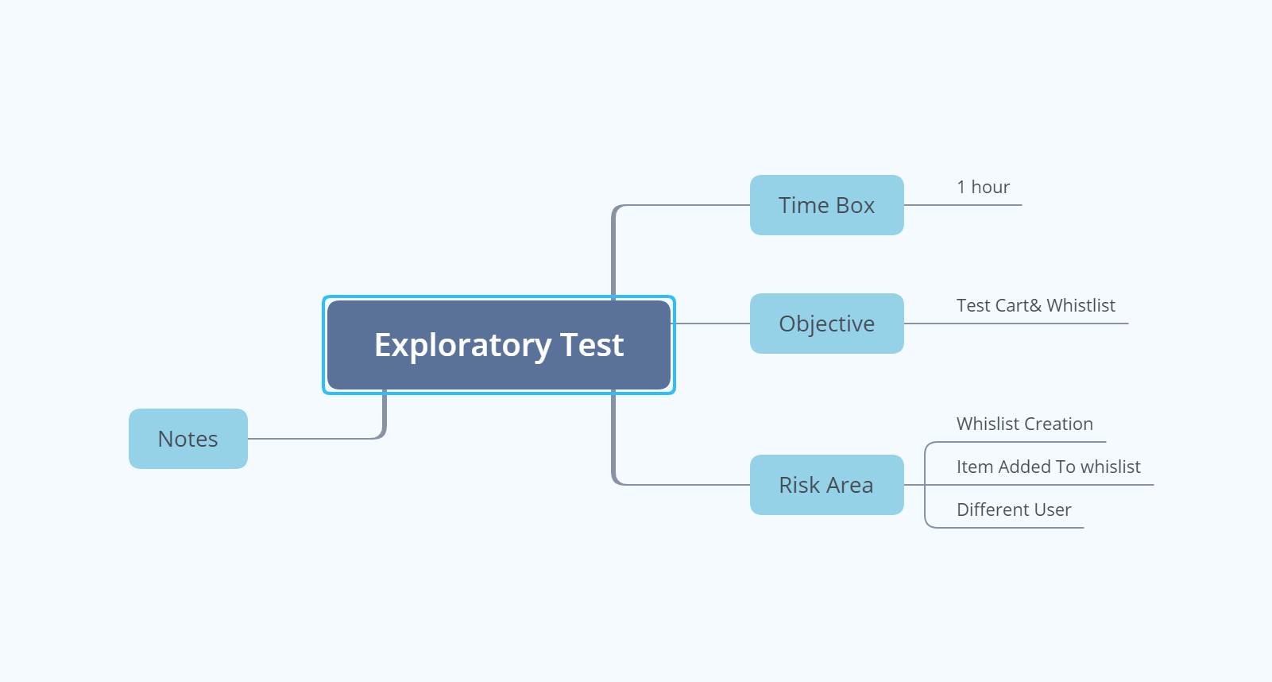
Prerequist
1. User is on the correct website\
2. User is logged in

Steps
Create a mind map with these heuristic properties
Time Box
Risk

Expected Result
A mind map report should be produced

